5T soho switch
179 mm
80.5mm

5 mm
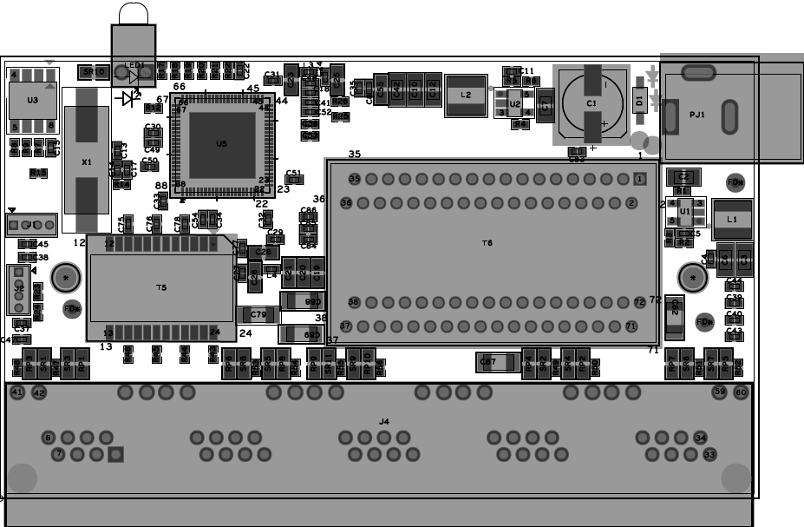
Dia 3.0mm tooling holes
10 mm
F1
46.8mm
F3
Dia 1.0 marks on both sides, with Dia 3.0 opening

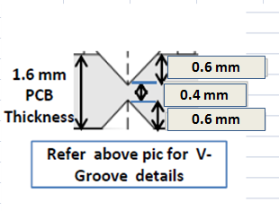

Cut-out's

8mm
101.6 mm

All Fiducial should be 3mm away from PCB edge to fiducial edge

F2

6mm
6mm
6mm

